M04
Speaker: M04 | Intelligibility: Very Low | Speech Vision Accuracy: 10.94

Model Name | Layers Frozen | Accuracy | Loss graph | Training accuracy graph
M04_E1.h5 | Encoder 1 | 7 | 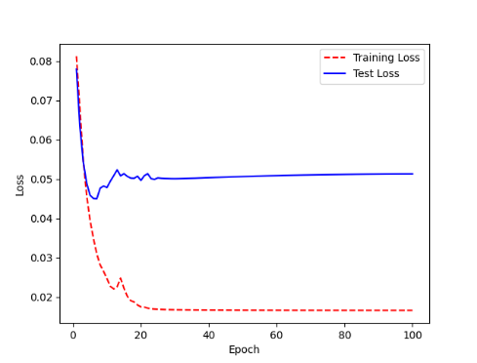 | 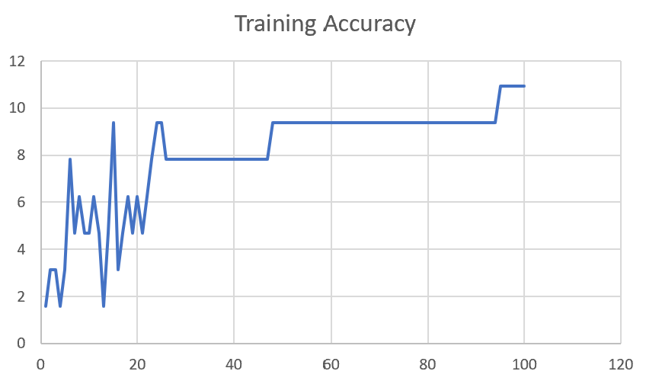

M04_E12.h5 | Encoder 12 | 5 | 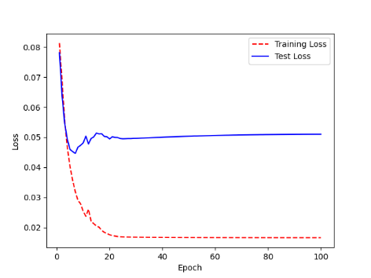 | 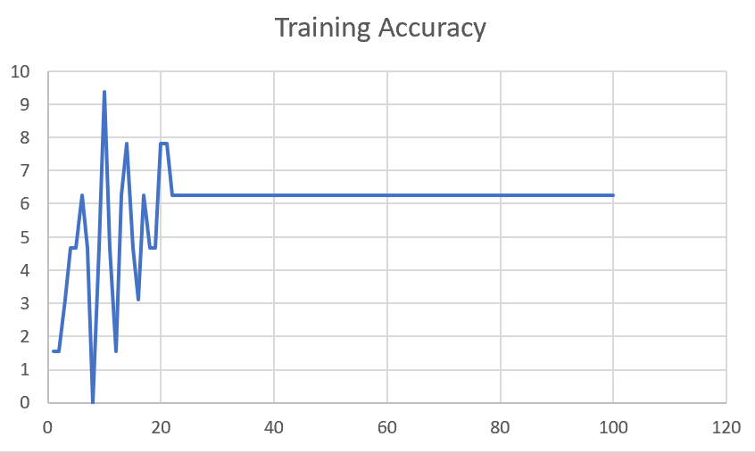

M04_E123 | Encoder 123 | 7 | 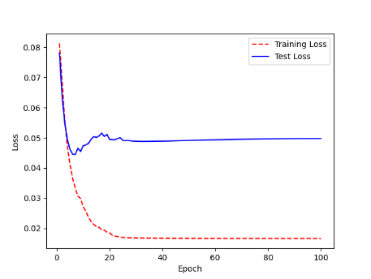 | 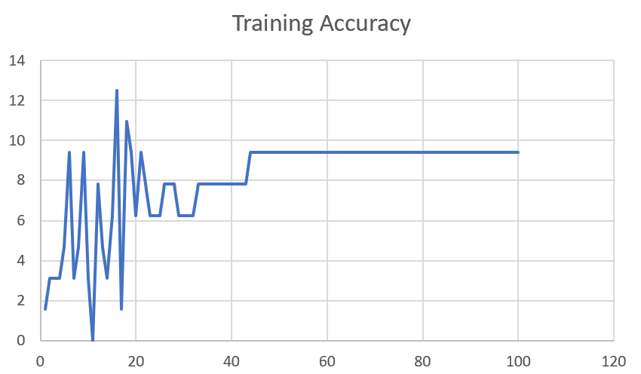

M04_E1234 | Encode 1234 | 6 |  | 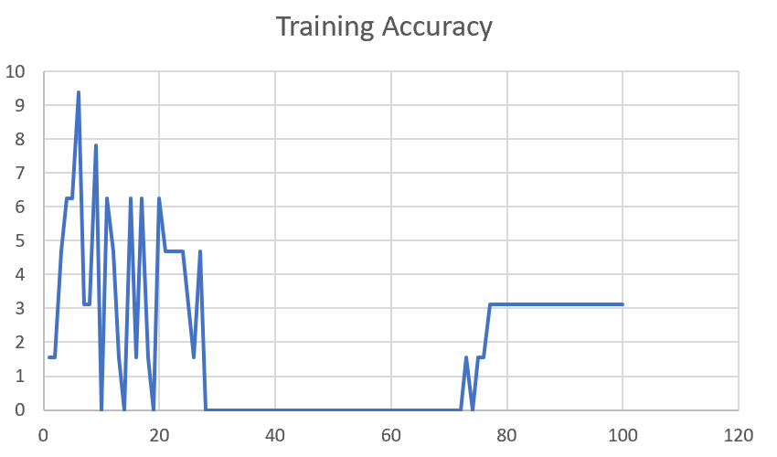

M04_E12345 | Encode 12345 | 6 | 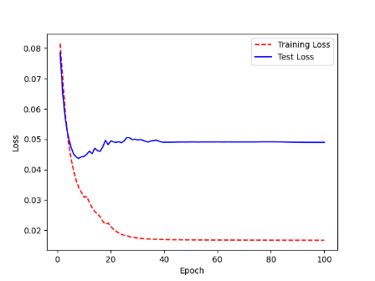 | 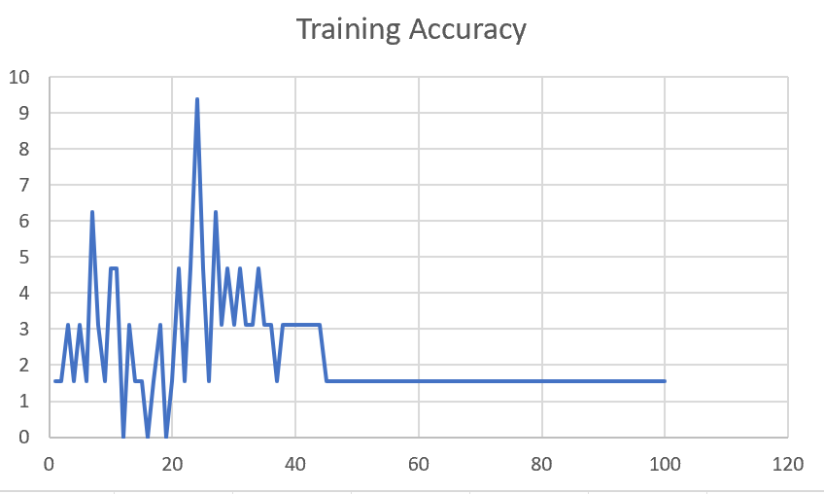

M04_TE | Token Embeddings | 7 | 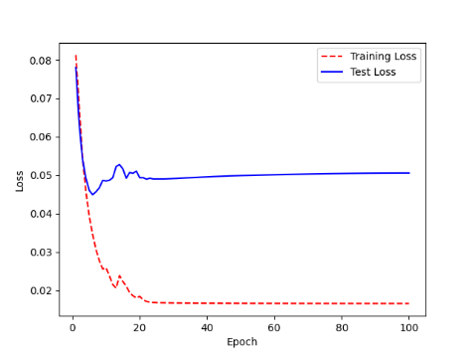 | 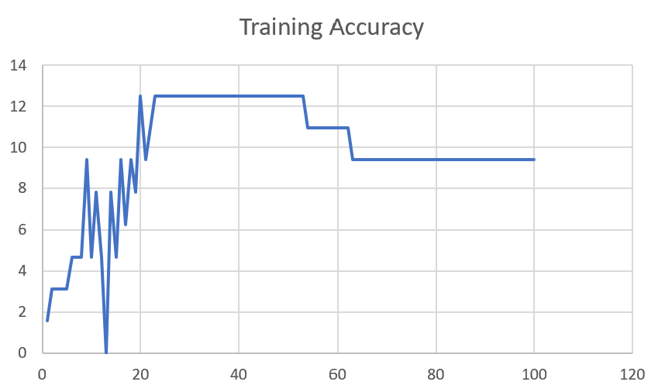

M04_T3+D123 | Token Embeddings + Decoder 1 | 6 | 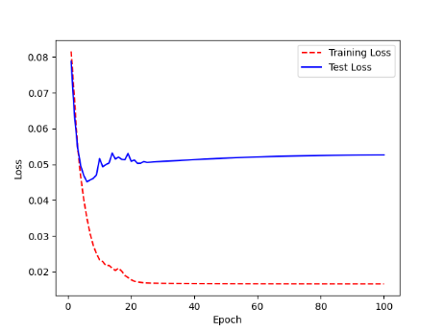 | 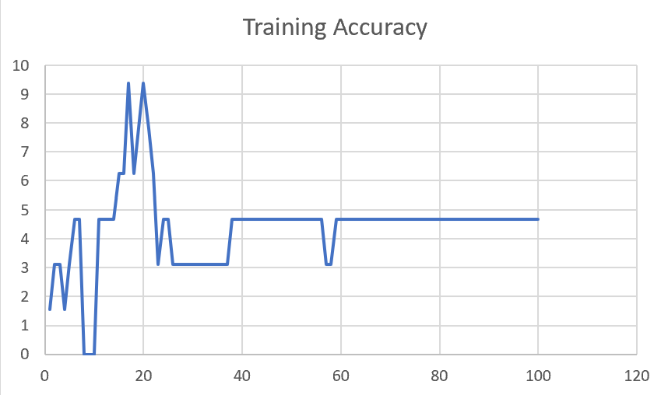

M04_T3+D12 | Token Embeddings + Decoder 12 | 6 | 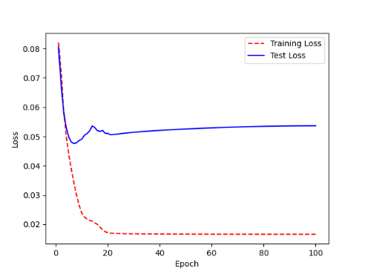 | 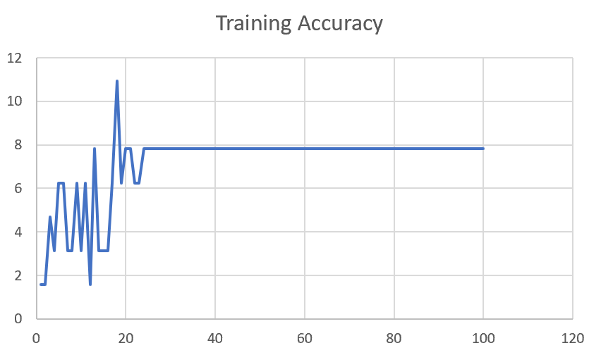

M04_T3+D1 | Token Embeddings + Decoder 123 | 5 | 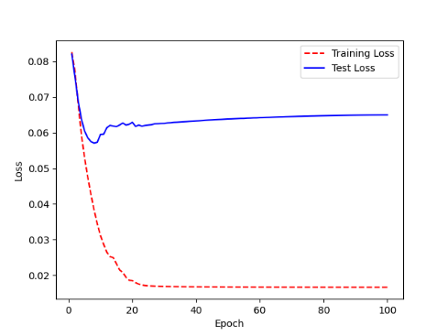 | 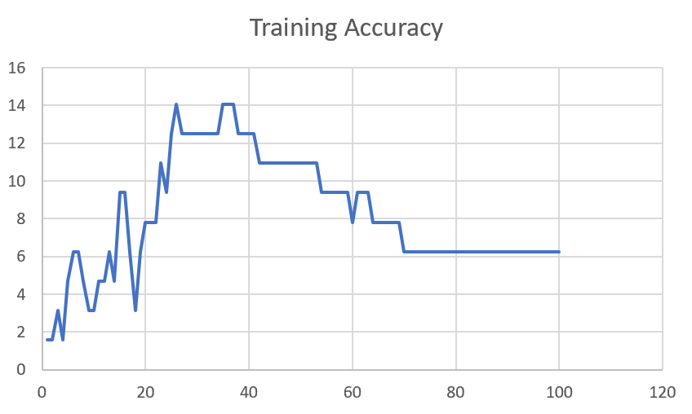

F02
Speaker: F02 | Intelligibility: Low | Speech Vision Accuracy: 67.02

Model Name | Layers Frozen | Accuracy | Loss graph | Training accuracy graph
F02_E1.h5 | Encoder 1 | 47 |  | 

F02_E12.h5 | Encoder 12 | 45 |  | 

F02_E123 | Encoder 123 | 47 |  | 

F02_E1234 | Encode 1234 | 43 |  | 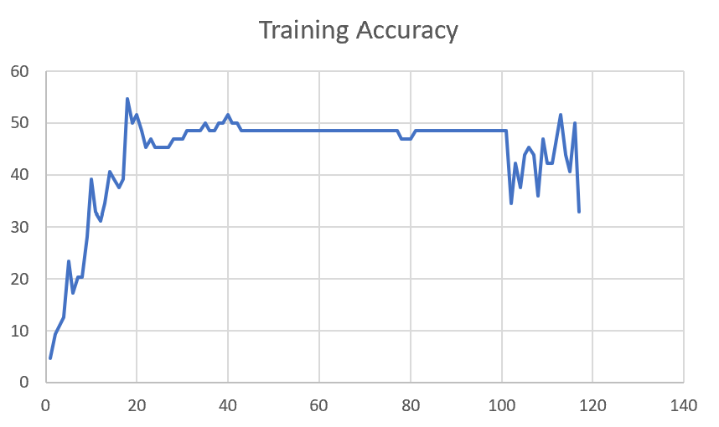

F02_E12345 | Encode 12345 | 41 | 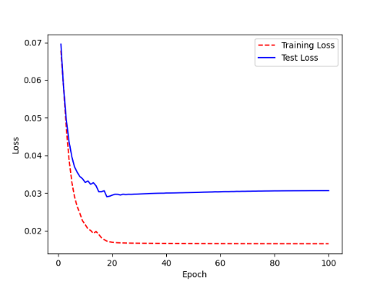 | 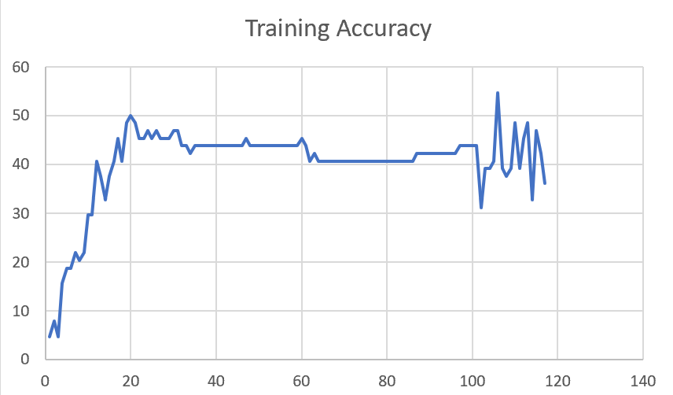

F02_t3 | Token Embeddings | 52 | 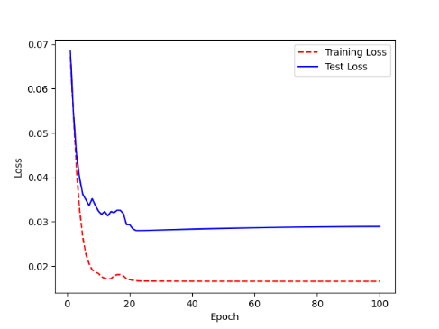 | 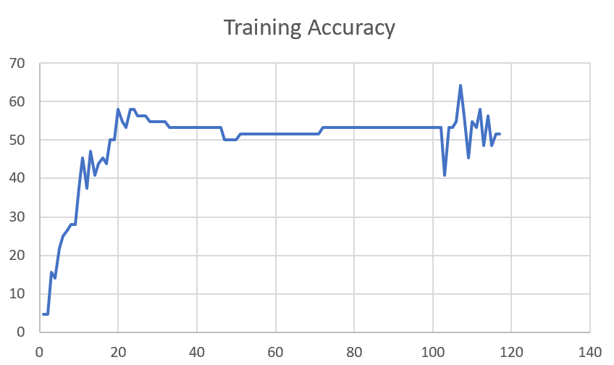

F02_T3+D123 | Token Embeddings + Decoder 123 | 45 | 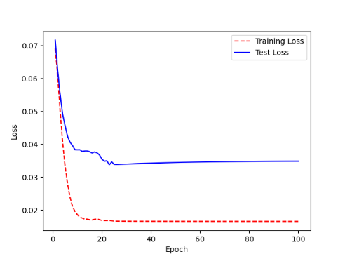 | 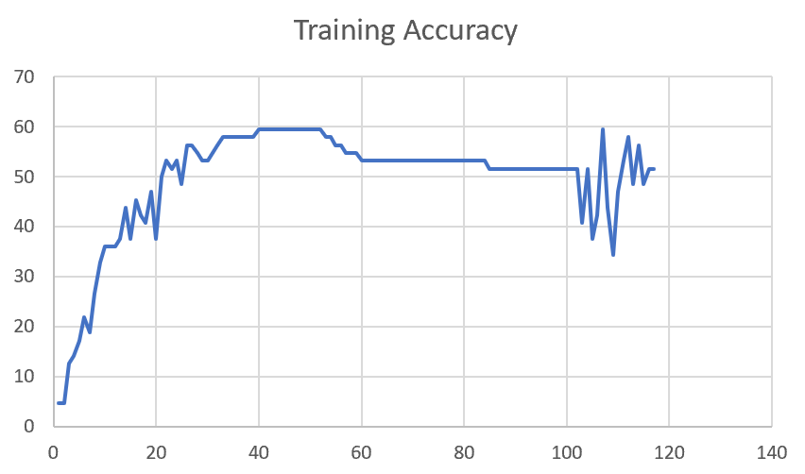

F02_T3+D12 | Token Embeddings + Decoder 12 | 50 | 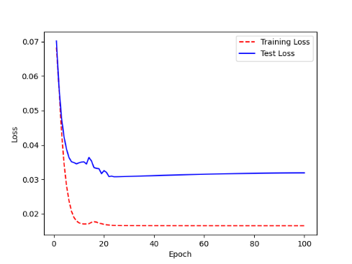 | 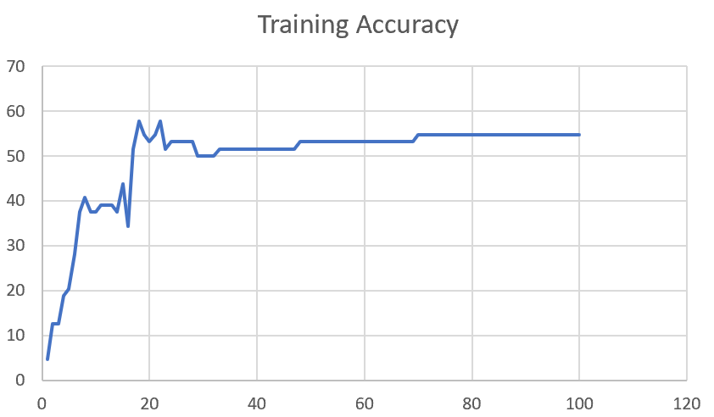

F02_T3+D1 | Token Embeddings + Decoder 1 | 50 | 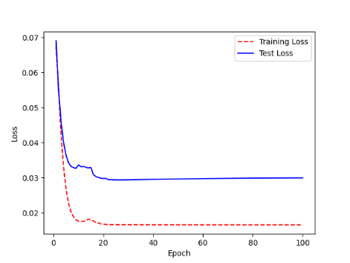 | 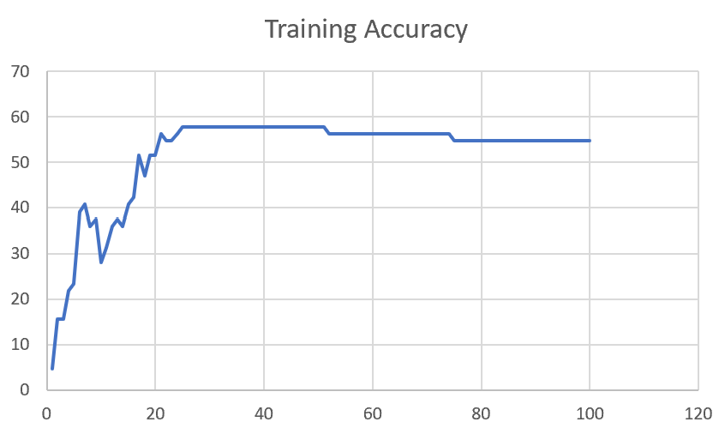

F03
Speaker: F03 | Intelligibility: Very Low | Speech Vision Accuracy: 32.47

Model Name | Layers Frozen | Accuracy | Loss graph | Training accuracy graph
F03_E1.h5 | Encoder 1 | 22 | 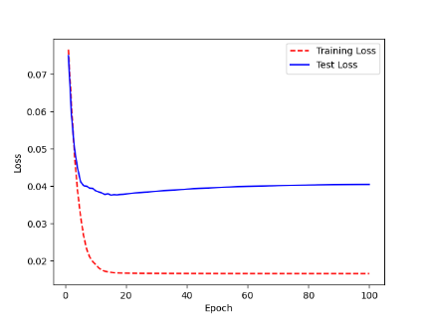 | 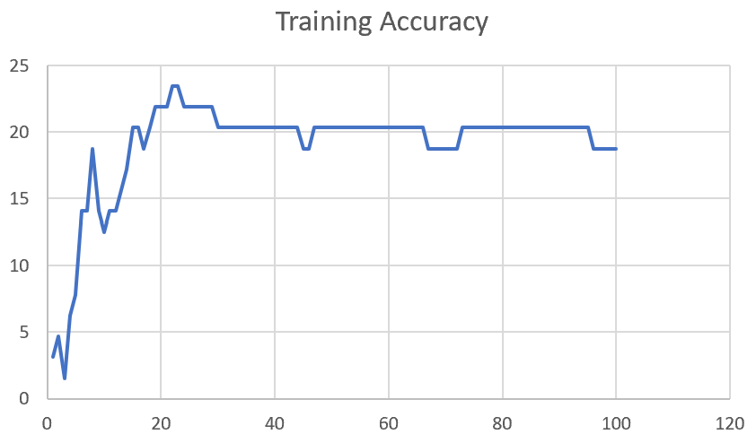

F03_E12.h5 | Encoder 12 | 25 | 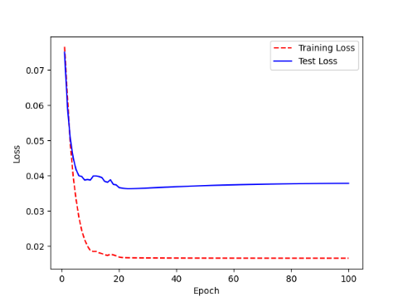 | 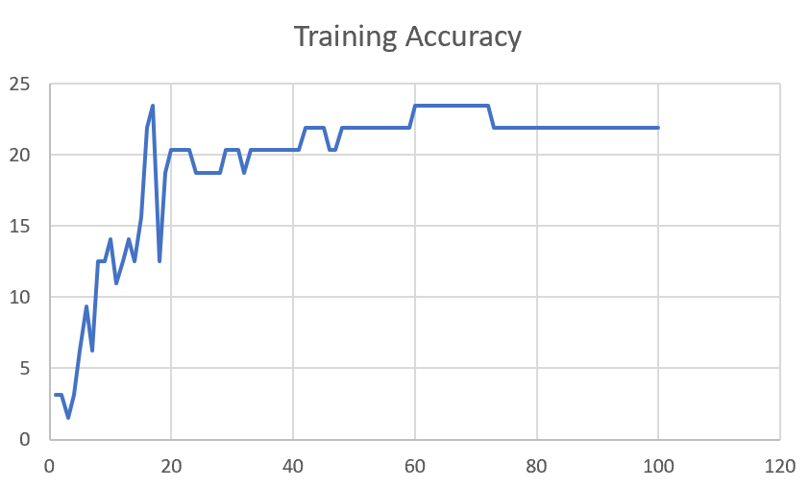

F03_E123 | Encoder 123 | 23 | 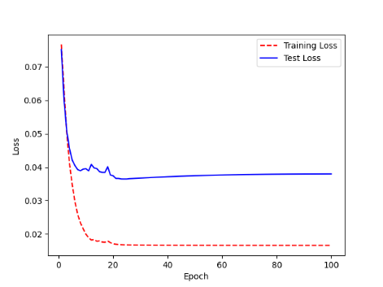 | 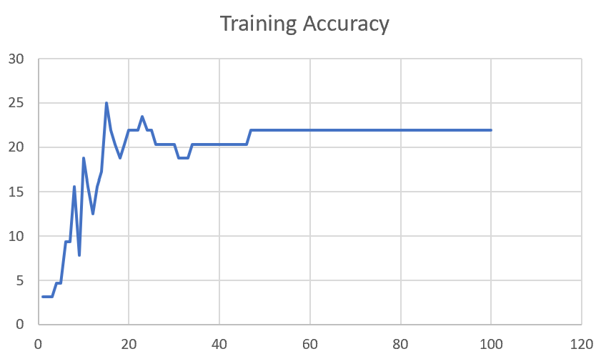

F03_E1234 | Encode 1234 | 20 | 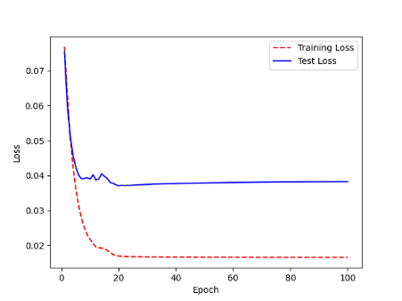 | 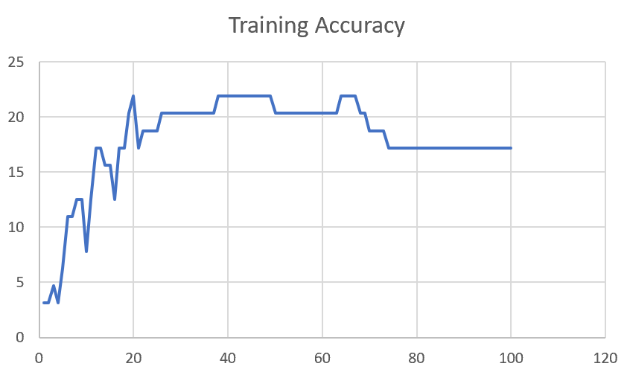

F03_E12345 | Encode 12345 | 19 |  | 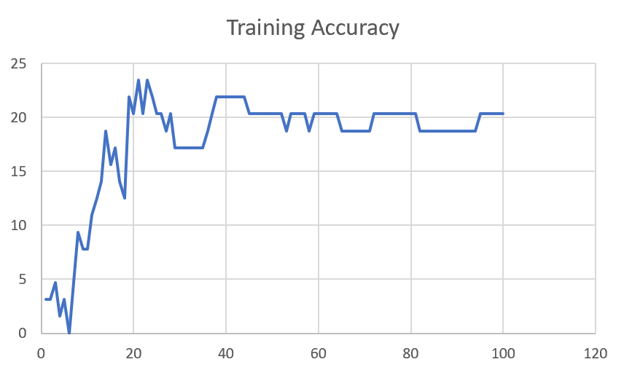

F03_TE | Token Embeddings | 28 |  | 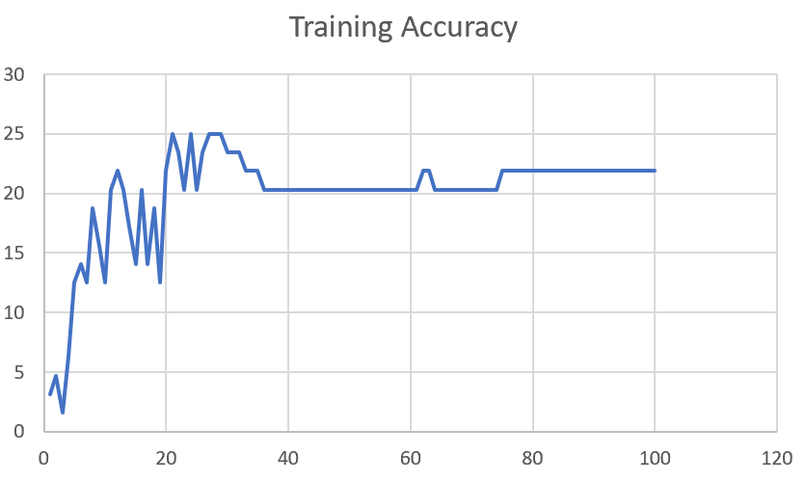

F03_T3+D123 | Token Embeddings + Decoder 1 | 29 |  | 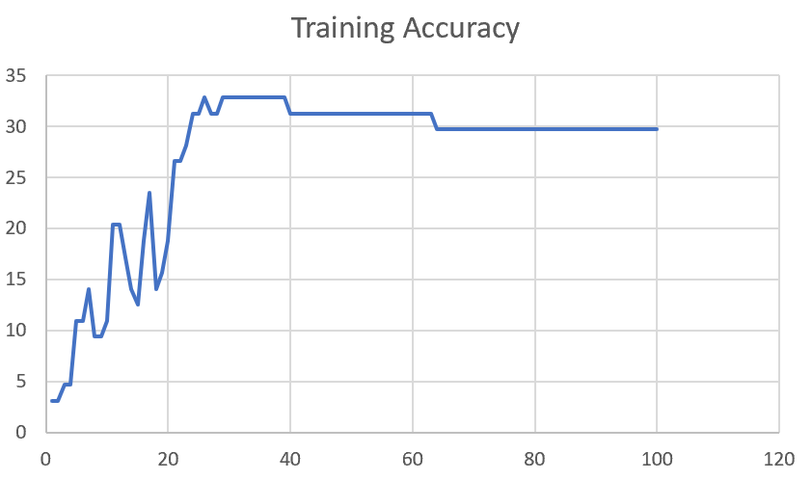

F03_T3+D12 | Token Embeddings + Decoder 12 | 25 | 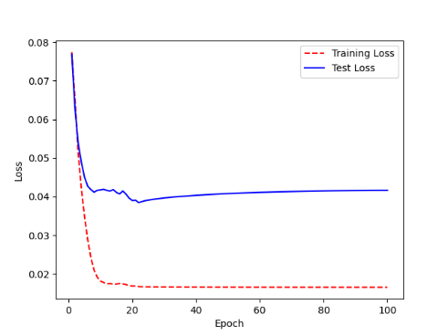 | 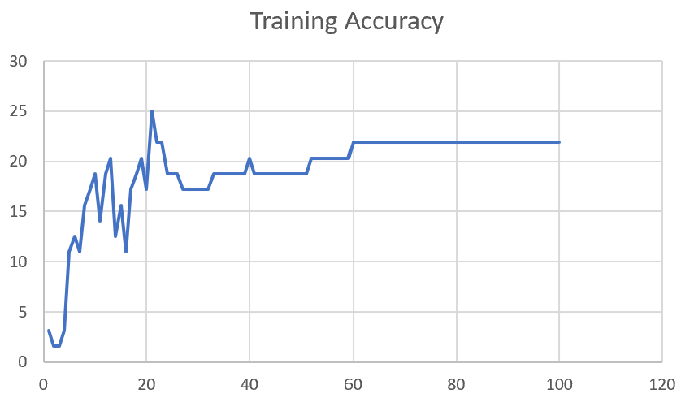

F03_T3+D1 | Token Embeddings + Decoder 123 | 22 | 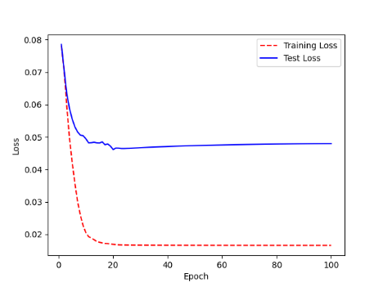 | 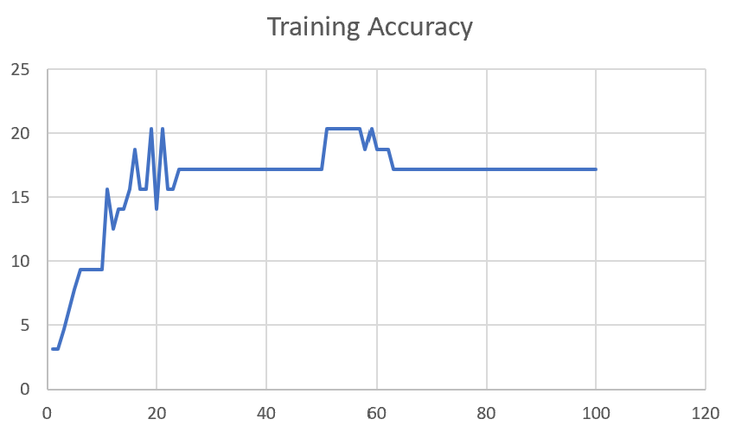

M12
Speaker: M12 | Intelligibility: Very Low | Speech Vision Accuracy: 40.65

Model Name | Layers Frozen | Accuracy | Loss graph | Training accuracy graph
M12_E1.h5 | Encoder 1 | 17 | 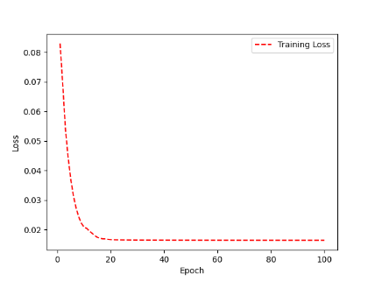 | 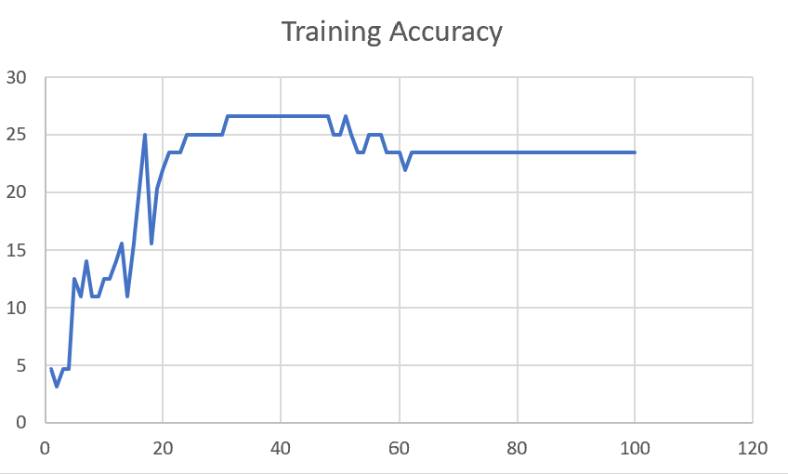

M12_E12.h5 | Encoder 12 | 18 |  | 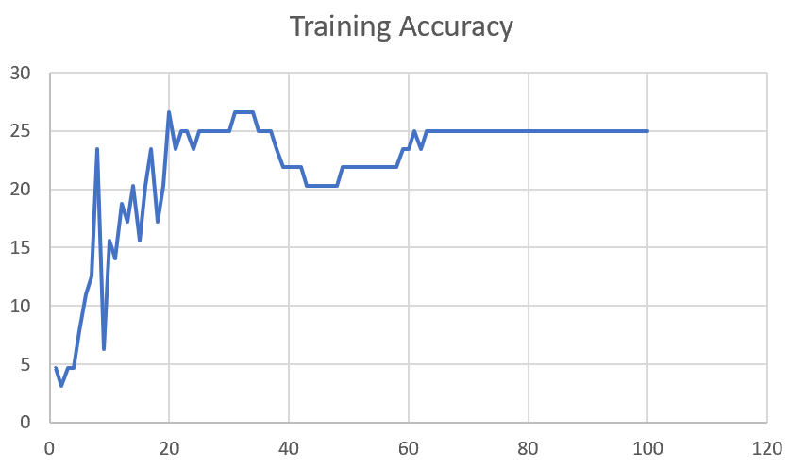

M12_E123 | Encoder 123 | 18 | 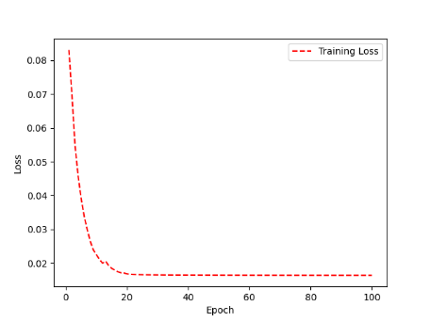 | 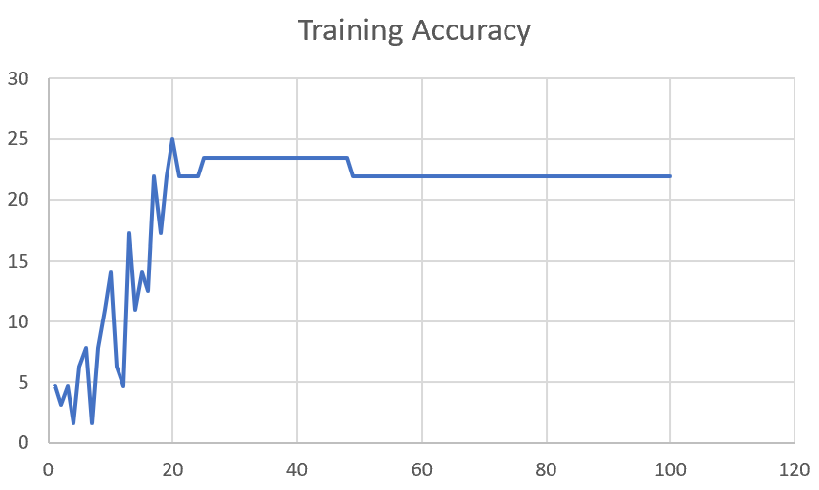

M12_E1234 | Encode 1234 | 14 | 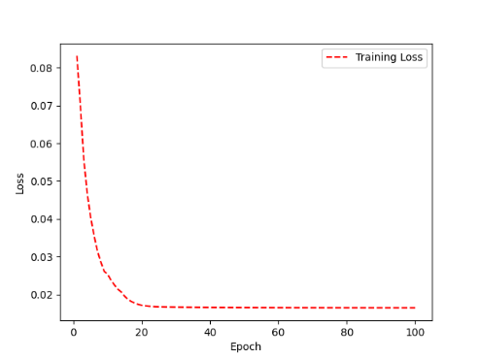 | 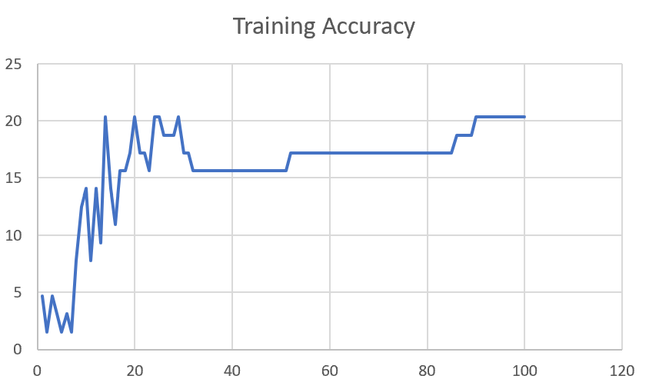

M12_E12345 | Encode 12345 | 16 |  | 

M12_TE | Token Embeddings | 19 |  | 

M12_T3+D123 | Token Embeddings + Decoder 1 | 17 |  | 

M12_T3+D12 | Token Embeddings + Decoder 12 | 16 |  | 

M12_T3+D1 | Token Embeddings + Decoder 123 | 13 |  | 

M12_D3 | Decoder 3 | 15 |  | 

M01
Speaker: M01 | Intelligibility: Very Low | Speech Vision Accuracy: 28.37

Model Name | Layers Frozen | Accuracy | Loss graph | Training accuracy graph
M01_E1.h5 | Encoder 1 | 24 |  | 

M01_E12.h5 | Encoder 12 | 22 |  | 

M01_E123 | Encoder 123 | 18 |  | 

M01_E1234 | Encode 1234 | 15 |  | 

M01_E12345 | Encode 12345 | 17 |  | 

M01_TE | Token Embeddings | 21 |  | 

M01_T3+D123 | Token Embeddings + Decoder 1 | 28 |  | 

M01_T3+D12 | Token Embeddings + Decoder 12 | 22 |  | 

M01_T3+D1 | Token Embeddings + Decoder 123 | 20 |  | 

M01_D3 | Decoder 3 | 26 |  | 

Sheet1
 |  |  | Training Accuracy
0 | 0.984375 | 1 | 1.5625
1 | 0.96875 | 2 | 3.125
2 | 0.953125 | 3 | 4.6875
3 | 0.9375 | 4 | 6.25
4 | 0.921875 | 5 | 7.8125
5 | 0.9375 | 6 | 6.25
6 | 0.890625 | 7 | 10.9375
7 | 0.90625 | 8 | 9.375
8 | 0.890625 | 9 | 10.9375
9 | 0.875 | 10 | 12.5
10 | 0.90625 | 11 | 9.375
11 | 0.890625 | 12 | 10.9375
12 | 0.90625 | 13 | 9.375
13 | 0.859375 | 14 | 14.0625
14 | 0.921875 | 15 | 7.8125
15 | 0.8125 | 16 | 18.75
16 | 0.828125 | 17 | 17.1875
17 | 0.828125 | 18 | 17.1875
18 | 0.84375 | 19 | 15.625
19 | 0.828125 | 20 | 17.1875
20 | 0.8125 | 21 | 18.75
21 | 0.84375 | 22 | 15.625
22 | 0.796875 | 23 | 20.3125
23 | 0.859375 | 24 | 14.0625
24 | 0.828125 | 25 | 17.1875
25 | 0.8125 | 26 | 18.75
26 | 0.8125 | 27 | 18.75
27 | 0.84375 | 28 | 15.625
28 | 0.859375 | 29 | 14.0625
29 | 0.828125 | 30 | 17.1875
30 | 0.84375 | 31 | 15.625
31 | 0.84375 | 32 | 15.625
32 | 0.859375 | 33 | 14.0625
33 | 0.859375 | 34 | 14.0625
34 | 0.859375 | 35 | 14.0625
35 | 0.84375 | 36 | 15.625
36 | 0.828125 | 37 | 17.1875
37 | 0.84375 | 38 | 15.625
38 | 0.8125 | 39 | 18.75
39 | 0.828125 | 40 | 17.1875
40 | 0.796875 | 41 | 20.3125
41 | 0.84375 | 42 | 15.625
42 | 0.796875 | 43 | 20.3125
43 | 0.8125 | 44 | 18.75
44 | 0.78125 | 45 | 21.875
45 | 0.8125 | 46 | 18.75
46 | 0.78125 | 47 | 21.875
47 | 0.796875 | 48 | 20.3125
48 | 0.75 | 49 | 25
49 | 0.78125 | 50 | 21.875
50 | 0.765625 | 51 | 23.4375
51 | 0.75 | 52 | 25
52 | 0.78125 | 53 | 21.875
53 | 0.78125 | 54 | 21.875
54 | 0.78125 | 55 | 21.875
55 | 0.765625 | 56 | 23.4375
56 | 0.765625 | 57 | 23.4375
57 | 0.765625 | 58 | 23.4375
58 | 0.765625 | 59 | 23.4375
59 | 0.765625 | 60 | 23.4375
60 | 0.765625 | 61 | 23.4375
61 | 0.765625 | 62 | 23.4375
62 | 0.765625 | 63 | 23.4375
63 | 0.765625 | 64 | 23.4375
64 | 0.765625 | 65 | 23.4375
65 | 0.765625 | 66 | 23.4375
66 | 0.765625 | 67 | 23.4375
67 | 0.765625 | 68 | 23.4375
68 | 0.765625 | 69 | 23.4375
69 | 0.78125 | 70 | 21.875
70 | 0.78125 | 71 | 21.875
71 | 0.78125 | 72 | 21.875
72 | 0.78125 | 73 | 21.875
73 | 0.78125 | 74 | 21.875
74 | 0.78125 | 75 | 21.875
75 | 0.796875 | 76 | 20.3125
76 | 0.796875 | 77 | 20.3125
77 | 0.796875 | 78 | 20.3125
78 | 0.796875 | 79 | 20.3125
79 | 0.796875 | 80 | 20.3125
80 | 0.796875 | 81 | 20.3125
81 | 0.796875 | 82 | 20.3125
82 | 0.796875 | 83 | 20.3125
83 | 0.796875 | 84 | 20.3125
84 | 0.796875 | 85 | 20.3125
85 | 0.796875 | 86 | 20.3125
86 | 0.765625 | 87 | 23.4375
87 | 0.765625 | 88 | 23.4375
88 | 0.78125 | 89 | 21.875
89 | 0.78125 | 90 | 21.875
90 | 0.78125 | 91 | 21.875
91 | 0.78125 | 92 | 21.875
92 | 0.78125 | 93 | 21.875
93 | 0.78125 | 94 | 21.875
94 | 0.78125 | 95 | 21.875
95 | 0.78125 | 96 | 21.875
96 | 0.78125 | 97 | 21.875
97 | 0.78125 | 98 | 21.875
98 | 0.796875 | 99 | 20.3125
99 | 0.796875 | 100 | 20.3125
<__main__.DisplayOutputs object at 0x7f6604d9e310> | 0.796875 | #VALUE! | 20.3125
<__main__.DisplayOutputs object at 0x7f6604d9e310> | 0.75 | #VALUE! | 25
<__main__.DisplayOutputs object at 0x7f6604d9e310> | 0.75 | #VALUE! | 25
<__main__.DisplayOutputs object at 0x7f6604d9e310> | 0.6875 | #VALUE! | 31.25
<__main__.DisplayOutputs object at 0x7f6604d9e310> | 0.796875 | #VALUE! | 20.3125
<__main__.DisplayOutputs object at 0x7f6604d9e310> | 0.78125 | #VALUE! | 21.875
<__main__.DisplayOutputs object at 0x7f6604d9e310> | 0.609375 | #VALUE! | 39.0625
<__main__.DisplayOutputs object at 0x7f6604d9e310> | 0.70588235294 | #VALUE! | 29.411764706
<__main__.DisplayOutputs object at 0x7f1a886fd100> | 0.90625 | #VALUE! | 9.375
<__main__.DisplayOutputs object at 0x7f1a886fd100> | 0.84375 | #VALUE! | 15.625
<__main__.DisplayOutputs object at 0x7f1a886fd100> | 0.8125 | #VALUE! | 18.75
<__main__.DisplayOutputs object at 0x7f1a886fd100> | 0.8125 | #VALUE! | 18.75
<__main__.DisplayOutputs object at 0x7f1a886fd100> | 0.875 | #VALUE! | 12.5
<__main__.DisplayOutputs object at 0x7f1a886fd100> | 0.828125 | #VALUE! | 17.1875
<__main__.DisplayOutputs object at 0x7f1a886fd100> | 0.88235294118 | #VALUE! | 11.764705882
 |  | 1 | 100
 |  | 1 | 100
<__main__.DisplayOutputs object at 0x7eff3012ee50> | 0.55737704918

